Hikvision-IP
 | Network Camera - NVR
 | Items | Description | User Price
 | Lite Mini Bullet Series
1 | DS-2CV1021G0-IDW1 | 2.0 MP IR Network Bullet Camera -1/2.8" progressive scan CMOS - Max. Frame Rate: 60Hz: 30fps (1920 × 1080, 1280 × 960, 1280 × 720 - 3D DNR (Digital Noise Reduction) - Up to 30 m IR range - 2.8 mm/4 mm/6 mm fixed lens - PoE (Power over Ethernet) - H.265+, H.265, H.264+, H.264 - IP66 - Dual stream - Digital WDR (Wide Dynamic Range)- Built-in WIFI | IRR 19,280,000 | 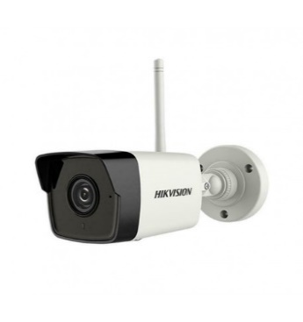
2 | DS-2CD1023G0E-I | 2.0 MP IR Network Bullet Camera -1/2.8" progressive scan CMOS - Max. Frame Rate: 60Hz: 30fps (1920 × 1080, 1280 × 960, 1280 × 720 - 3D DNR (Digital Noise Reduction) - Up to 30 m IR range - 2.8 mm/4 mm/6 mm fixed lens - PoE (Power over Ethernet) - H.265+, H.265, H.264+, H.264 - IP67 - Dual stream - Digital WDR (Wide Dynamic Range) - ECO CASE | IRR 18,180,000
3 | DS-2CD1023G0-I | 2.0 MP IR Network Bullet Camera -1/2.8" progressive scan CMOS - Max. Frame Rate: 60Hz: 30fps (1920 × 1080, 1280 × 960, 1280 × 720 - 3D DNR (Digital Noise Reduction) - Up to 30 m IR range - 2.8 mm/4 mm/6 mm fixed lens - PoE (Power over Ethernet) - H.265+, H.265, H.264+, H.264 - IP67 - Dual stream - Digital WDR (Wide Dynamic Range) | IRR 22,170,000
4 | DS-2CD1023G0-IU | 2.0 MP IR Network Bullet Camera -1/2.8" progressive scan CMOS - Max. Frame Rate: 60Hz: 30fps (1920 × 1080, 1280 × 960, 1280 × 720 - 3D DNR (Digital Noise Reduction) - Up to 30 m IR range - 2.8 mm/4 mm/6 mm fixed lens - PoE (Power over Ethernet) - H.265+, H.265, H.264+, H.264 - IP66 - Dual stream - Digital WDR (Wide Dynamic Range)- Built-in microphone | IRR 19,700,000
5 | DS-2CD1043G0E-I | 4.0 MP IR Network Bullet Camera, 1/3" progressive scan CMOS , 3D DNR (Digital Noise Reduction), 2560 × 1440@20fps - Up to 30 m IR range, 2.8 mm/4 mm/6 mm fixed lens - PoE (Power over Ethernet), H.265+, H.265, H.264+, H.264 , IP67, Dual stream, Digital WDR (Wide Dynamic Range) - ECO CASE | IRR 23,840,000
6 | DS-2CD1043G0-I | 4.0 MP IR Network Bullet Camera, 1/3" progressive scan CMOS , 3D DNR (Digital Noise Reduction), 2560 × 1440@20fps - Up to 30 m IR range, 2.8 mm/4 mm/6 mm fixed lens - PoE (Power over Ethernet), H.265+, H.265, H.264+, H.264 , IP67, Dual stream, Digital WDR (Wide Dynamic Range) | IRR 24,330,000
 | Lite Dome Series
7 | DS-2CD1323G0E-I | 1/2.8" progressive scan CMOS - 1920 × 1080@30fps - 2.8 mm/4 mm/6 mm fixed lens - H.264+, H.264 - Dual stream - Digital WDR (Wide Dynamic Range) - 3D DNR (Digital Noise Reduction) - Up to 30 m IR range - PoE (Power over Ethernet) - IP67 | ناموجود
8 | DS-2CD1323G0E-IU | 1/2.8" progressive scan CMOS - 1920 × 1080@30fps - 2.8 mm/4 mm/6 mm fixed lens - H.264+, H.264 - Dual stream - Digital WDR (Wide Dynamic Range) - 3D DNR (Digital Noise Reduction) - Up to 30 m IR range - PoE (Power over Ethernet) - IP67 - Built-in microphone | IRR 19,950,000
9 | DS-2CD1123G0E-I | 2MP dome Exir, fixed lens 2.8mm,white color-1/2.8" progressive scan CMOS - 3D DNR (Digital Noise Reduction) - 1920 × 1080@30fps - Up to 30 m IR range - 2.8 mm/4 mm/6 mm fixed lens - PoE (Power over Ethernet) - H.265+, H.265, H.264+, H.264 - IP67, IK10 - Digital WDR (Wide Dynamic Range) - ECO CASE | IRR 19,480,000
10 | DS-2CD1123G0-I | 2MP dome Exir, fixed lens 2.8mm,white color-1/2.8" progressive scan CMOS - 3D DNR (Digital Noise Reduction) - 1920 × 1080@30fps - Up to 30 m IR range - 2.8 mm/4 mm/6 mm fixed lens - PoE (Power over Ethernet) - H.265+, H.265, H.264+, H.264 - IP67, IK10 - Digital WDR (Wide Dynamic Range) | IRR 25,870,000
11 | DS-2CD1143G0-I | 4.0 MP IR Network Dome Camera, 1/3" progressive scan CMOS - 3D DNR (Digital Noise Reduction), 2560 × 1440@20fps - Up to 30 m IR range, 2.8 mm/4 mm/6 mm fixed lens ,PoE (Power over Ethernet), H.265+, H.265, H.264+, H.264 - IP67, IK10, Dual stream, Digital WDR (Wide Dynamic Range) | IRR 26,770,000
 | Mini Bullet Series
12 | DS-2CD2020F-I | 1/3" Progressive CMOS, ICR, 0lux with IR, 1920x1080:25fps(P)/30fps(N), 4mm/F2.0 lens (6mm optional), H.264/MJPEG, dual-stream, IP66, DWDR, 3D DNR, BLC, Support on-board storage (SD card not included), IR range: up to 30m | ناموجود
13 | DS-2CD2023G0-I | 2 MP IR Fixed Bullet Network Camera - 1/3" Progressive Scan CMOS - 1920 × 1080@30fps - 2.8/4/6/8 mm fixed lens - Color: 0.01 Lux @ (F1.2, AGC ON), 0.018 Lux @ (F1.6, AGC ON), 0 Lux with IR - H.265+, H.265, H.264+, H.264 - Three streams - 120dB WDR - 2 Behavior analyses, and face detection - BLC/3D DNR/ROI - IP67 - Built-in micro SD/SDHC/SDXC card slot, up to 128 GB | IRR 37,740,000
14 | DS-2CD2043G0-ICKV | 4 MP IR Fixed Bullet Network Camera - 1/3" Progressive Scan CMOS - 2560 × 1440@30fps - 2.8/4/6/8 mm fixed lens - Color: 0.01 Lux @ (F1.2, AGC ON), 0.018 Lux @ (F1.6, AGC ON), 0 Lux with IR - H.265+, H.265, H.264+, H.264 - Three streams - 120dB WDR - 2 Behavior analyses, and face detection - BLC/3D DNR/ROI - IP67 - Built-in micro SD/SDHC/SDXC card slot, up to 128 GB | IRR 33,330,000
15 | DS-2CD2043G0-I | 4 MP IR Fixed Bullet Network Camera - 1/3" Progressive Scan CMOS - 2560 × 1440@30fps - 2.8/4/6/8 mm fixed lens - Color: 0.01 Lux @ (F1.2, AGC ON), 0.018 Lux @ (F1.6, AGC ON), 0 Lux with IR - H.265+, H.265, H.264+, H.264 - Three streams - 120dB WDR - 2 Behavior analyses, and face detection - BLC/3D DNR/ROI - IP67 - Built-in micro SD/SDHC/SDXC card slot, up to 128 GB | IRR 35,490,000
16 | DS-2CD2043G0-I (Black) | 4 MP IR Fixed Bullet Network Camera - 1/3" Progressive Scan CMOS - 2560 × 1440@30fps - 2.8/4/6/8 mm fixed lens - Color: 0.01 Lux @ (F1.2, AGC ON), 0.018 Lux @ (F1.6, AGC ON), 0 Lux with IR - H.265+, H.265, H.264+, H.264 - Three streams - 120dB WDR - 2 Behavior analyses, and face detection - BLC/3D DNR/ROI - IP67 - Built-in micro SD/SDHC/SDXC card slot, up to 128 GB | IRR 40,710,000
17 | DS-2CD2052-I | 1/3" Progressive CMOS, ICR, 0lux with IR, 2560×1920: 20fps, 4mm/F2.0 lens (6mm optional), H.264+/H.264/MJPEG, 3 streams,IP66, DC12V & PoE, DWDR, 3D DNR, BLC, IR range: up to 30m | IRR 41,420,000
18 | DS-2CD2063G0-I | 6 MP IR Fixed Bullet Network Camera - 1/2.9" Progressive Scan CMOS - 3072 × 2048@20 fps - 2.8/4/6/8 mm fixed lens - Color: 0.01 lux @(F1.2, AGC ON), 0.028 lux @(F2.0, AGC ON), 0 lux with IR - H.265+, H.265, H.264+, H.264 - 2 Behavior analyses and face detection - 120dB WDR - BLC/3D DNR/ROI - IP67 - Built-in micro SD/SDHC/SDXC card slot, up to 128 GB | IRR 48,340,000
19 | DS-2CD2083G0-I | 8 MP IR Fixed Bullet Network Camera - 1/2.5" Progressive Scan CMOS - 3840 × 2160 @15 fps - 2.8/4/6/8 mm fixed lens - Color: 0.01 lux @(F1.2, AGC ON), 0.028 lux @(F2.0, AGC ON), 0 lux with IR - H.265+, H.265, H.264+, H.264 - 2 Behavior analyses and face detection - 120dB WDR - BLC/3D DNR/ROI/HLC - IP67 - Built-in micro SD/SDHC/SDXC card slot, up to 128 GB | IRR 56,820,000
 | Dome Series
20 | DS-2CD2123G0-IS | 2 MP IR Fixed Dome Network Camera - 1/2.8" Progressive Scan CMOS - 1920 ×1080@30fps - 2.8/4/6/8mm fixed lens - Color: 0.01 Lux @ (F1.2, AGC ON), 0.028 Lux @ (F2.0, AGC ON), 0 Lux with IR - H.265+, H.265, H.264+, H.264 - Three streams - 120dB WDR - 2 Behavior analyses, and face detection - BLC/3D DNR/ROI/HLC - IP67 - IK10 - Built-in micro SD/SDHC/SDXC card slot, up to 128GB S: Audio/Alarm IO connectors | IRR 40,710,000
21 | DS-2CD2143G0-IS | 4 MP IR Fixed Dome Network Camera - 1/3" Progressive Scan CMOS, 2688 ×1520@30fps, 2.8/4/6/8mm fixed lens - Color: 0.01 Lux @ (F1.2, AGC ON), 0.018 Lux @ (F1.6, AGC ON), 0 Lux with IR - H.265+, H.265, H.264+, H.264 - Three streams -120dB WDR - 2 Behavior analyses, and face detection - BLC/3D DNR/ROI - IP67- IK10 - Built-in micro SD/SDHC/SDXC card slot, up to 128 GB S: Audio/Alarm IO connectors | IRR 44,100,000
22 | DS-2CD2143G0-ISCKV | 4 MP Outdoor WDR Fixed Dome Network Camera-1/3" Progressive Scan CMOS • 2560 × 1440@25fps- 2.8/4 mm fixed lens-Color: 0.01 Lux @(F1.2, AGC ON), 0.028Lux @(F2.0, AGC ON);- H.265+, H.265, H.264+, H.264-120 dB WDR- 2 Behavior analyses-BLC/3D DNR/ROIBuilt-in micro SD/micro SDHC/micro SDXC-card slot, up to 128 GB | IRR 33,330,000
23 | DS-2CD2143G0-IS (Black) | 4 MP IR Fixed Dome Network Camera - 1/3" Progressive Scan CMOS, 2688 ×1520@30fps, 2.8/4/6/8mm fixed lens - Color: 0.01 Lux @ (F1.2, AGC ON), 0.018 Lux @ (F1.6, AGC ON), 0 Lux with IR - H.265+, H.265, H.264+, H.264 - Three streams -120dB WDR - 2 Behavior analyses, and face detection - BLC/3D DNR/ROI - IP67- IK10 - Built-in micro SD/SDHC/SDXC card slot, up to 128 GB S: Audio/Alarm IO connectors | IRR 44,720,000
24 | DS-2CD2143G0-IU | 4 MP IR Fixed Dome Network Camera - 1/3" Progressive Scan CMOS, 2688 ×1520@30fps, 2.8/4/6/8mm fixed lens - Color: 0.01 Lux @ (F1.2, AGC ON), 0.018 Lux @ (F1.6, AGC ON), 0 Lux with IR - H.265+, H.265, H.264+, H.264 - Three streams -120dB WDR - 2 Behavior analyses, and face detection - BLC/3D DNR/ROI - IP66- IK10 - Built-in micro SD/SDHC/SDXC card slot, up to 128 GB - Built-in microphone | IRR 43,940,000
25 | DS-2CD2152F-IS | 1/3" Progressive CMOS, ICR, 0lux with IR, 2560×1920: 20fps, 4mm/F2.0 lens (6mm optional), H.264+/H.264/MJPEG, 3 streams, IP67, IK10, DC12V & PoE, DWDR, 3D DNR, BLC, support on-board storage up to 128GB(SD card not included), 3-axis adjustment, IR range: up to 30m, Vandal-proof -housing, HIK-Connect cloud service - S: Audio/Alarm IO connectors | IRR 43,600,000
26 | DS-2CD2163G0-IS | 6 MP IR Fixed Dome Network Camera - 1/2.9" Progressive Scan CMOS - 3072 × 2048@20 fps - 2.8/4/6/8 mm fixed lens - Color: 0.01 lux @(F1.2, AGC ON), 0.028 lux @(F2.0, AGC ON), 0 lux with IR - H.265+, H.265, H.264+, H.264 - 2 Behavior analyses and face detection - 120dB WDR - BLC/3D DNR/ROI - IP67 - Built-in micro SD/SDHC/SDXC card slot, up to 128 GB - S: Audio/Alarm IO connectors | IRR 52,580,000
...

HIK-Accessories
...
 | Accessories
5 | DS-3E0318P-E | L2, Unmanaged, 16 100M PoE port, 2 1000M combo port, 802.3af/at, PoE power budget 230W | IRR 59,500,000
6 | DS-3E0326P-E | L2, Unmanaged, 24 100M PoE port, 2 1000M combo port, 802.3af/at, PoE power budget 370W | IRR 79,000,000
7 | DS-3E1310P-E | L2, Web managed, 8 100M PoE port, 2 1000M combo port, 802.3af/at, PoE power budget 123W | ناموجود
8 | DS-3E1318P-E | 802.3af/at PoE standard 8-core power supply technology, reducing the power circuit loss,Data monitor and control for the important ports, EXTEND mode available to extend the network cable transmission distance to 250 meters Buffer optimization to guarantee the video data transmission,VLAN configurable Port trunk, multicast and port mirroring,WEB management,Store-and-forward switching IEEE802.3, IEEE802.3u and IEEE802.3x network standards available MTBF (Mean Time Between Failure) ≥ 100,000 hours All-metal enclosed construction Table-mounted and rack-mouted design for convenient installation | ناموجود
9 | Cables
10 | DS-1LN6-UE-W | UTP / CAT.6 / Indoor PVC / 23AWG, Full 305m, OFC / 0.530mm, CM Rating, Default Color: BLUE. TEST FLUKE | IRR 46,940,000
11 | DS-1LN6-UU | UTP / CAT.6 / Indoor PVC / 23AWG Full 305m OFC / 0.565mm CM Rating Default Color: Orange | IRR 51,660,000
12 | Brackets
13 | DS-1602ZJ | Wall mount , Hik white , Aluminum alloy , 97×182×305mm Suitable for:-DS-2DE/AE4xxx-DS-2DE/AE5xxx-DS-2DE/AE7xxx-DS-2DF8xxx-DS-2DF6xxx DS-2DF7xxx-DS-2DF5xxx | IRR 6,840,000
14 | DS-1602ZJ-pole | Vertical pole mount, Hik white , Aluminum alloy , 117×194×310mm , Suitable for:DS-2DE/AE5xxx-DS-2DE/AE7xxx-DS-2DF8xxx--DS-2DF6xxx-DS-2DF7xxx-DS-2DF5xxx | ناموجود
15 | DS-1605ZJ | Wall Mount bracket Parameters: Wall mounting bracket-Colour: Hik White-Feature: Suitable for speed dome cameras Dimensions: Ø171.7 x 158 x 228.6mm | ناموجود | 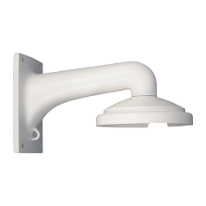
16 | DS-1661ZJ | Pendent Mounting Bracket In/Outdoor,-Color: -Hik white-Material: -Aluminum alloy-Dimensin: -116.5×200mm-Weight: -600g | IRR 7,490,000
17 | DS-1662ZJ | Pendant mount , Hik white , Aluminum alloy , Φ116.5×500mm Suitable for:-DS-2DE/AE4xxx-DS-2DE/AE5xxx-DS-2DE/AE7xxx-DS-2DF8xxx-DS-2DF6xxx-DS-2DF7xxx-DS-2DF5xxx | IRR 8,600,000
18 | DS-1663ZJ | Ceiling mount , Hik white , Aluminum alloy , Φ116.5×57mm-Suitable for:-DS-2DE/AE4xxx DS-2DE/AE5xxx-DS-2DE/AE7xxx-DS-2DF8xxx-DS-2DF6xxx-DS-2DF7xxx-DS-2DF5xxx | ناموجود
19 | DS-1693ZJ | Wall mount , Hik white , steel , 190×200×500mm , 5700g Suitable for PTZ positioner | ناموجود
20 | DS-1681ZJ | Ceiling mount , Hik white , Aluminum alloy -Suitable for:-DS-2DE/AE4xxx-DS-2DE/AE5xxx DS-2DE/AE7xxx-DS-2DF8xxx-DS-2DF6xxx-DS-2DF7xxx-DS-2DF5xxx | IRR 1,860,000
21 | DS-1273ZJ-135B | Wall mount , White , Aluminum alloy , with junction box , Φ135×182×120mm Suitable for: DS-2CD27xx | Call
22 | Keyboard
23 | DS-1100KI | Network Keyboard, 7" TFT touch screen, up to 256 units of DVR/Network Cameras/Speed Dome management, 1-ch HD 1080p video steam decoding, USB 2.0 interface for video backup | IRR 346,900,000
24 | DS-1005KI | network Keyboard, USB interface, support Hikvision VMS, NVR, DVR | IRR 83,140,000
25 | Tester
...

tvt ip
دوربین‌های ویژه | سری‌های اقتصادی | سری‌های اقتصادی | سری‌های اقتصادی
TD-C12 | TD-9421S3L(D/PE/AR1) | TD-9421S3(D/PE/AR2) | TD-9422S3(D/PE/AR3)
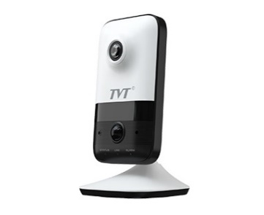 | 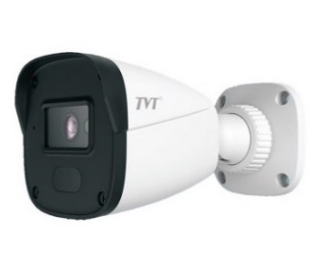 | 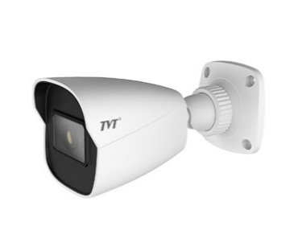 | 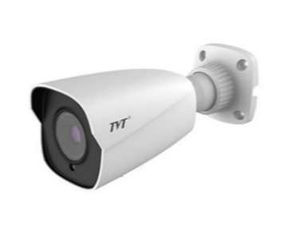
دوربین 2 مگاپیکسل تحت شبکه | دوربین 2 مگاپیکسل تحت شبکه | دوربین 2 مگاپیکسل تحت شبکه | دوربین 2 مگاپیکسل تحت شبکه
لنز ثابت 2.8 میلیمتری | لنز ثابت 3.6 میلیمتری | لنز ثابت 3.6 میلیمتری | لنز ثابت 3.6 میلیمتری
فشرده سازی H.265 | فشرده سازی H.265 | فشرده سازی H.265 | فشرده سازی H.265
منبع تغذیه DC12v یا PoE | منبع تغذیه DC12v یا PoE | منبع تغذیه DC12v یا PoE | منبع تغذیه DC12v یا PoE
حداکثر وضوح: 1920*1080 | دارای استاندارد IP 67 | دارای استاندارد IP 67 | دارای استاندارد IP 67
دید در شب 10 متر | بدنه کوچک فلزی | بدنه کوچک فلزی | بدنه متوسط فلزی
ورودی کارت حافظه Micro-SD | حداکثر وضوح: 1920*1080 | حداکثر وضوح: 1920*1080 | حداکثر وضوح: 1920*1080
پشتیبانی از Wi-Fi | دید در شب 10 - 20 متر | دید در شب 20 - 30متر | دید در شب 30-50 متر
دارای 1 میکروفون داخلی |  | دارای 1 ورودی صدا | دارای 1 ورودی صدا
دارای 1 بلندگوی داخلی |  | ورودی کارت حافظه Micro-SD تا ظرفیت 128 گیگابایت | ورودی کارت حافظه Micro-SDتا ظرفیت 128 گیگابایت
دارای 1 ورودی و یک خروجی زنگ خطر
20،500،000 ریال | 12،500،000 ریال | 16،000،000 ریال | 16،500،000 ریال

سری‌های اقتصادی | سری‌های اقتصادی | سری‌های اقتصادی | سری‌های اقتصادی
TD-9524S3L(D/PE/AR1) | TD-9524S3(D/PE/AR2) | TD-9441S3L(D/PE/AR1) | TD-9544S3L(D/PE/AR1)
 | 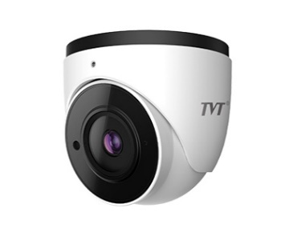 | 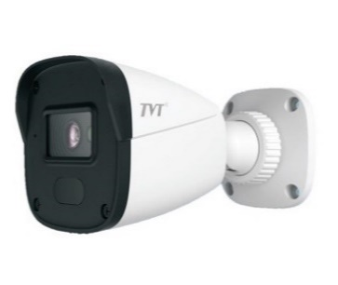 | 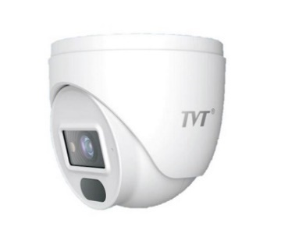
دوربین 2 مگاپیکسل تحت شبکه | دوربین 2 مگاپیکسل تحت شبکه | دوربین 4 مگاپیکسل تحت شبکه | دوربین 4 مگاپیکسل تحت شبکه
لنز ثابت 2.8 میلیمتری | لنز ثابت 2.8 میلیمتری | لنز ثابت 3.6 میلیمتری | لنز ثابت 2.8 میلیمتری
فشرده سازی H.265 | فشرده سازی H.265 | فشرده سازی H.265 | فشرده سازی H.265
منبع تغذیه DC12v یا PoE | منبع تغذیه DC12v یا PoE | منبع تغذیه DC12v یا PoE | منبع تغذیه DC12v یا PoE
دارای استاندارد IP 67 | دارای استاندارد IP 67 | دارای استاندارد IP 67 | دارای استاندارد IP 67
بدنه کوچک فلزی | بدنه کوچک فلزی | بدنه کوچک فلزی | بدنه کوچک فلزی
حداکثر وضوح: 1920*1080 | حداکثر وضوح: 1920*1080 | حداکثر وضوح: 2560*1440 | حداکثر وضوح: 2560*1440
دید در شب 10-20 متر | دید در شب 20-30 متر | دید در شب10-20 متر | دید در شب10-20 متر
دارای یک میکروفون داخلی | دارای یک میکروفون داخلی |  | دارای یک میکروفون داخلی
12،500،000 ریال | 15،800،000 ریال | 18،500،000 ریال | 19،500،000 ریال

سری‌های میان رده | سری‌های میان رده | سری‌های میان رده | سری‌های میان رده
TD-9422E3(D/PE/AR3) | TD-9423E3(D/AZ/PE/AR5) | TD-9521E3(D/PE/AR2) | TD-9441E3(D/PE/AR2)
 | 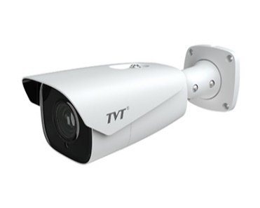 | 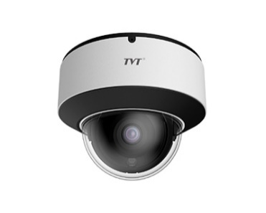
دوربین 2 مگاپیکسل تحت شبکه | دوربین 2 مگاپیکسل تحت شبکه | دوربین 2 مگاپیکسل تحت شبکه | دوربین 4 مگاپیکسل تحت شبکه
لنز ثابت 3.6 میلیمتری | لنز متنغیر موتورایز 2.8 - 12 میلیمتری | لنز ثابت 2.8 میلیمتری | لنز ثابت 3.6 میلیمتری
فشرده سازی H.265 | فشرده سازی H.265 | فشرده سازی H.265 | فشرده سازی H.265
منبع تغذیه DC12v یا PoE | منبع تغذیه DC12v یا PoE | منبع تغذیه DC12v یا PoE | منبع تغذیه DC12v یا PoE
دارای استاندارد IP 67 | دارای استاندارد IP 67 | دارای استاندارد IP 67 و IK10 | دارای استاندارد IP 67
بدنه متوسط فلزی | بدنه متوسط فلزی | بدنه کوچک فلزی | بدنه کوچک فلزی
حداکثر وضوح: 1920 × 1080 | حداکثر وضوح: 1920 × 1080 | حداکثر وضوح: 1920 × 1080 | حداکثر وضوح: 2592*1520
دید در شب30 - 50 متر | دید در شب50 - 70 متر | دید در شب20-30 متر | دید در شب20-30 متر
دارای یک ورودی صدا | ورودی کارت حافظه Micro-Sd تا ظرفیت 128 گیگابایت | ورودی کارت حافظه Micro-SD تا حداکثر 128 گیگابایت | دارای یک ورودی صدا
ورودی کارت حافظه Micro-Sd تا ظرفیت 128 گیگابایت |  | دارای یک ورودی صدا
 |  | دارای یک میکروفون داخلی
تماس بگیرید | تماس بگیرید | تماس بگیرید | 33،800،000 ریال

سری‌های میان رده | سری‌های میان رده | سری‌های میان رده | سری‌های میان رده
TD-9442E3(D/PE/AR3) | TD-9442E3(D/AZ/PE/AR3) | TD-9443E3(D/AZ/PE/AR5) | TD-9543E3(D/AZ/PE/AR3)
 |  |  | 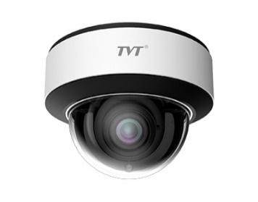
دوربین 4 مگاپیکسل تحت شبکه | دوربین 4مگاپیکسل تحت شبکه | دوربین 4مگاپیکسل تحت شبکه | دوربین 4 مگاپیکسل تحت شبکه
لنز ثابت 3.6 میلیمتری | لنز متنغیر موتورایز 2.8 - 12 میلیمتری | لنز متنغیر موتورایز 2.8 - 12 میلیمتری | لنز متنغیر موتورایز 2.8 - 12 میلیمتری
فشرده سازی H.265 | فشرده سازی H.265 | فشرده سازی H.265 | فشرده سازی H.265
منبع تغذیه DC12v یا PoE | منبع تغذیه DC12v یا PoE | منبع تغذیه DC12v یا PoE | منبع تغذیه DC12v یا PoE
دارای استاندارد IP 67 | دارای استاندارد IP 67 | دارای استاندارد IP 67 | دارای استاندارد IP 67 و IK10
بدنه متوسط فلزی | بدنه متوسط فلزی | بدنه متوسط فلزی | بدنه بزرگ فلزی
حداکثر وضوح: 2592*1520 | حداکثر وضوح: 2592*1520 | حداکثر وضوح: 2592*1520 | حداکثر وضوح: 2592*1520
دید در شب30 - 50 متر | دید در شب30 - 50 متر | دید در شب50 - 70 متر | دید در شب30 - 50 متر
دارای یک ورودی صدا | دارای یک ورودی صدا | دارای یک ورودی و یک خروجی صدا | دارای یک ورودی و یک خروجی صدا
ورودی کارت حافظه Micro-SD تا حداکثر 128 گیگابایت | ورودی کارت حافظه Micro-SD تا حداکثر 128 گیگابایت | ورودی کارت حافظه Micro-SD تا حداکثر 128 گیگابایت | ورودی کارت حافظه Micro-SD تا حداکثر 128 گیگابایت
تماس بگیرید | تماس بگیرید | تماس بگیرید | تماس بگیرید

سری‌های میان رده | سری‌های میان رده | سری‌های میان رده | دوربین‌های PTZ
TD-9541E3(D/PE/AR2) | TD-9568E2 (D/PE/AR2) | TD-9544E3(D/PE/AR2) | TD-8523IE(20M/AR15)
 | 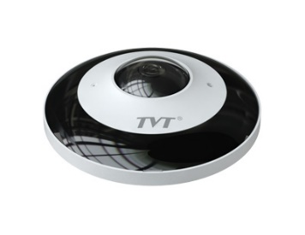 |  | 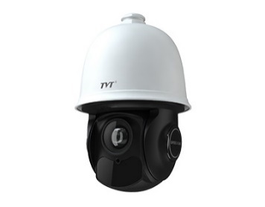
دوربین 4مگاپیکسل تحت شبکه | دوربین 6مگاپیکسل تحت شبکه | دوربین 4 مگاپیکسل تحت شبکه | دوربین 2 مگاپیکسل
لنز ثابت 2.8 میلیمتری | لنز ثابت 1.07 میلیمتری | لنز ثابت 2.8 میلیمتری | لنز متغیر 5.5 تا 110 میلیمتری
فشرده سازی H.265 | فشرده سازی H.265 | فشرده سازی H.265 | فشرده سازی H.265 و H.264
منبع تغذیه DC12v یا PoE | منبع تغذیه DC12v یا PoE | منبع تغذیه DC12v یا PoE | منبع تغذیه 24VDC
دارای استاندارد IP 67 و IK10 | دارای استاندارد IP 67 | دارای استاندارد IP 67 | دارای استاندارد IP 66
بدنه کوچک فلزی | دوربین Fish-Eye | بدنه کوچک فلزی | دوربین PTZ استارلات با حسگر CMOS
حداکثر وضوح: 2592*1520 | حداکثر وضوح:2160 × 2160 | حداکثر وضوح: 2592*1520 | حداکثر وضوح: 1920*1080
دید در شب 20 - 30 متر | دید در شب 20 - 30 متر | دید در شب20-30 متر | دید در شب 150 متر
دارای یک ورودی صدا | دارای یک ورودی و یک خروجی صدا | ورودی کارت حافظه Micro-SD تا حداکثر 128 گیگابایت
دارای یک میکروفون داخلی | دارای یک میکروفون داخلی | دارای یک ورودی صدا
ورودی کارت حافظه Micro-SD تا حداکثر 128 گیگابایت | ورودی کارت حافظه Micro-SD تا حداکثر 128 گیگابایت | دارای یک میکروفون داخلی
تماس بگیرید | تماس بگیرید | 29،000،000 ریال | 160،000،000 ریال

دوربین‌های PTZ | دوربین‌های PTZ | سری‌های اقتصادی | سری‌های اقتصادی
TD-8623IM (20M/VL30) | TD-8623IM (30M/VL30) | TD-3104B1 | TD-3104B1H
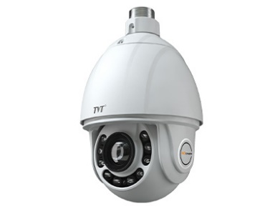 | 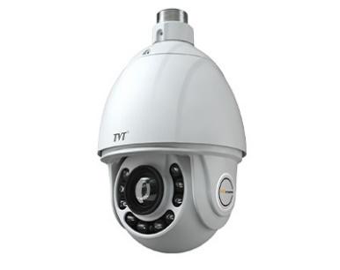 | 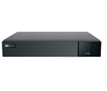 | 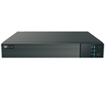
دوربین 2 مگاپیکسل | دوربین 2 مگاپیکسل | دستگاه 4 کانال تحت شبکه | دستگاه 4 کانال تحت شبکه
لنز متغیر 5.5 تا 110 میلیمتری | لنز متغیر 4.5 - 135 میلیمتری | قابلیت ضبط تا 6MP | قابلیت ضبط تا 8MP
فشرده سازی H.265 و H.264 | فشرده سازی H.265 و H.264 | فرمت فشرده سازیH.265 و H.264 | فرمت فشرده سازیH.265 و H.264
منبع تغذیه 24v AC | منبع تغذیه 24v AC | ضبط چند حالته | ضبط چند حالته
دارای استاندارد IP 66 | دارای استاندارد IP 66 | بازپخش همزمان 4 کانال | بازپخش همزمان 4 کانال
دوربین PTZ استارلایت با حسگر CMOS | دوربینPTZ استارلایت با حسگرCMOS | پشتیبانی از 1 هارد دیسک تا ظرفیت 8 ترابایت | پشتیبانی از 1 هارد دیسک تا ظرفیت 8 ترابایت
حداکثر وضوح: 1920*1080 | حداکثر وضوح: 1920*1080 | خروجی HDMI 1080p | خروجی HDMI 4K
دید در شب 300 متر | دید در شب 300 متر
زوم 20 برابر | زوم 30 برابر
 | دارای یک ورودی و یک خروجی صدا
...
دستگاه 16 کانال تحت شبکه | دستگاه 16 کانال تحت شبکه | دستگاه 32 کانال تحت شبکه | دستگاه 32 کانال تحت شبکه
قابلیت ضبط تا 6MP | قابلیت ضبط تا 8MP | قابلیت ضبط تا 8MP | قابلیت ضبط تا 8MP
فرمت فشرده سازیH.265 و H.264 | فرمت فشرده سازیH.265 و H.264 | فرمت فشرده سازیH.265 و H.264 | فرمت فشرده سازیH.265 و H.264
ضبط چند حالته | ضبط چند حالته | ضبط چند حالته | ضبط چند حالته
بازپخش همزمان 16 کانال | بازپخش همزمان 16 کانال | بازپخش همزمان 16 کانال | بازپخش همزمان 16 کانال
پشتیبانی از 1 هارد دیسک تا ظرفیت 8 ترابایت | پشتیبانی از 2 هارد دیسک تا ظرفیت 8 ترابایت | پشتیبانی از 2 هارد دیسک تا ظرفیت 8 ترابایت | پشتیبانی از 4 هارد دیسک تا ظرفیت 8 ترابایت
خروجی HDMI 4K | خروجی HDMI 4K | خروجی HDMI 4K | خروجی HDMI 4K
29،000،000 ریال | 34،000،000 ریال | 59،000،000 ریال | 74،000،000 ریال

سری‌های پروژه‌ای | سری‌های پروژه‌ای
TD-3332H4-16P-A1 | TD-3332B8-A1
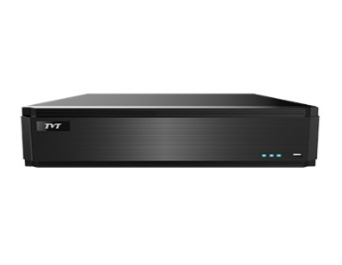 | 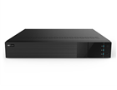
دستگاه 32 کانال تحت شبکه | دستگاه 32 کانال تحت شبکه
قابلیت ضبط تا 8MP | قابلیت ضبط تا 8MP
فرمت فشرده سازیH.265 و H.264 | ضبط چند حالته
ضبط چند حالته | فرمت فشرده سازیH.265 و H.264
بازپخش همزمان 16 کانال | بازپخش همزمان 16 کانال
دارای قابلیت تشخیص چهره | دارای قابلیت تشخیص چهره
داری 16 خروجی PoE | پشتیبانی از 8 هارد دیسک تا ظرفیت 8 ترابایت
پشتیبانی از 4 هارد دیسک تا ظرفیت 8 ترابایت | خروجی HDMI 4K
خروجی HDMI 4K
115,000,000ريال | تماس بگیرید

tvt tvi
...
دوربین 2 مگاپیکسل | دوربین 2 مگاپیکسل | دوربین 2 مگاپیکسل | دوربین 2 مگاپیکسل
استاندارد IP66 | استاندارد IP66 | استاندارد IP66 | استاندارد IP66
بدنه کوچک پلاستیکی | بدنه کوچک فلزی | بدنه کوچک پلاستیکی | بدنه کوچک فلزی
پردازنده SC2231+FH8537 | پردازنده SC2231+FH8537 | پردازنده SP2305+FH8537 | پردازنده SP2305+FH8537
پشتیبانی از عملکرد کاهش نویز | پشتیبانی از عملکرد کاهش نویز | پشتیبانی از عملکرد کاهش نویز | پشتیبانی از عملکرد کاهش نویز
دید در شب 10-20 متر | دید در شب 10-20 متر | دید در شب 10-20 متر | دید در شب 10-20 متر
4،300،000 ریال | 5،100،000 ریال | 4،800،000 ریال | 5،300،000 ریال

سری‌های اقتصادی | سری‌های اقتصادی | سری‌های اقتصادی | سری‌های اقتصادی
TD-7520AS1L(D/IR1) | TD-7524AS1L(D/IR1) | TD-7520AS1(D/IR1) | TD-7524AS1(D/IR1)
 |  |  | 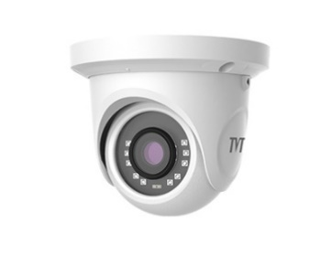
دوربین 2 مگاپیکسل | دوربین 2 مگاپیکسل | دوربین 2 مگاپیکسل | دوربین 2 مگاپیکسل
کیفیت 1080p | کیفیت 1080p | کیفیت 1080p | کیفیت 1080p
تصویر واقعی، وضوح تصویر بالا، رنگ حقیقی | تصویر واقعی، وضوح تصویر بالا، رنگ حقیقی | تصویر واقعی، وضوح تصویر بالا، رنگ حقیقی | تصویر واقعی، وضوح تصویر بالا، رنگ حقیقی
AHD / TVI / CVI /CVBS | AHD / TVI / CVI /CVBS | AHD / TVI / CVI /CVBS | AHD / TVI / CVI /CVBS
لنز ثابت 3.6 میلیمتری | لنز ثابت 3.6 میلیمتری | لنز ثابت 2.8 میلیمتری | لنز ثابت 2.8 میلیمتری
اسکن پیشرفته CMOS Progressive | اسکن پیشرفته CMOS Progressive | اسکن پیشرفته CMOS Progressive | اسکن پیشرفته CMOS Progressive
استاندارد IP66 | استاندارد IP66 | استاندارد IP66 | استاندارد IP66
بدنه کوچک پلاستیکی | بدنه کوچک فلزی | بدنه کوچک پلاستیکی | بدنه کوچک فلزی
پردازنده SC2231+FH8537 | پردازنده SC2231+FH8537 | پردازنده SP2305+FH8537 | پردازنده SP2305+FH8537
پشتیبانی از عملکرد کاهش نویز | پشتیبانی از عملکرد کاهش نویز | پشتیبانی از عملکرد کاهش نویز | پشتیبانی از عملکرد کاهش نویز
دید در شب 10-20 متر | دید در شب 10-20 متر | دید در شب 10-20 متر | دید در شب 10-20 متر
4،100،000 ریال | 4،800،000 ریال | 4,700,000ريال | 5،400،000 ریال

سری‌های اقتصادی | سری‌های اقتصادی | سری‌های اقتصادی | سری‌های اقتصادی
TD-7450AS(D/IR1) | TD-7451AS(D/AR1) | TD-7550AS(D/IR1) | TD-7554AS(D/IR1)
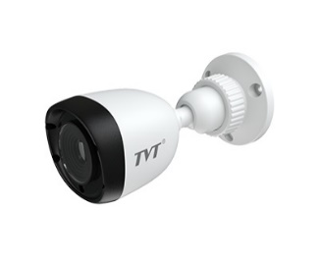 | 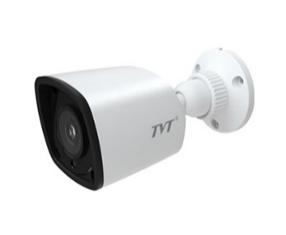
دوربین 5 مگاپیکسل | دوربین 5 مگاپیکسل | دوربین 5 مگاپیکسل | دوربین 5 مگاپیکسل
تصویر واقعی، وضوح تصویر بالا، رنگ حقیقی | تصویر واقعی، وضوح تصویر بالا، رنگ حقیقی | تصویر واقعی، وضوح تصویر بالا، رنگ حقیقی | تصویر واقعی، وضوح تصویر بالا، رنگ حقیقی
AHD / TVI / CVI /CVBS | AHD / TVI / CVI /CVBS | AHD / TVI / CVI /CVBS | AHD / TVI / CVI /CVBS
لنز ثابت 3.6 میلیمتری | لنز ثابت 3.6 میلیمتری | لنز ثابت 3.6 میلیمتری | لنز ثابت 3.6 میلیمتری
اسکن پیشرفته CMOS Progressive | اسکن پیشرفته CMOS Progressive | اسکن پیشرفته CMOS Progressive | اسکن پیشرفته CMOS Progressive
استاندارد IP66 | استاندارد IP66 | استاندارد IP66 | استاندارد IP66
بدنه کوچک پلاستیکی | بدنه کوچک فلزی | بدنه کوچک پلاستیکی | بدنه کوچک فلزی
پردازنده K03+TP3805 | پردازنده K03+TP3805 | پردازنده K03+TP3805 | پردازنده K03+TP3805
پشتیبانی از عملکرد کاهش نویز | پشتیبانی از عملکرد کاهش نویز | پشتیبانی از عملکرد کاهش نویز | پشتیبانی از عملکرد کاهش نویز
دید در شب 10-20 متر | دید در شب 10-20 متر | دید در شب 10-20 متر | دید در شب 10-20 متر
8,100,000ريال | 9,100,000ريال | 8،100،000 ریال | 9،100،000 ریال

سری‌های میان رده | سری‌های میان رده | سری‌های میان رده | سری‌های میان رده
TD-7423AE2H(D/FZ/SW/IR2) | TD-7421AE2H(D/SW/AR1) | TD-7422AE2H(D/SW/IR2) | TD-7452AE1(D/SW/IR2)
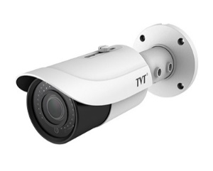 |  | 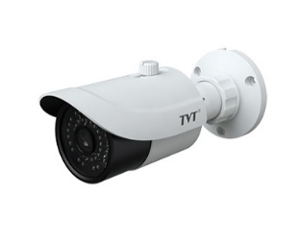
دوربین 2 مگاپیکسل | دوربین 2 مگاپیکسل | دوربین 2 مگاپیکسل | دوربین 5 مگاپیکسل
کیفیت 1080p | کیفیت 1080p | کیفیت 1080p | تصویر واقعی، وضوح تصویر بالا، رنگ حقیقی
تصویر واقعی، وضوح تصویر بالا، رنگ حقیقی | تصویر واقعی، وضوح تصویر بالا، رنگ حقیقی | تصویر واقعی، وضوح تصویر بالا، رنگ حقیقی | AHD / TVI / CVI /CVBS
AHD / TVI / CVI /CVBS | AHD / TVI / CVI /CVBS | AHD / TVI / CVI /CVBS | لنز 3.6 میلیمتری
لنز متغیر دستی 2.8-12 میلیمتری | لنز ثابت 2.8 میلیمتری | لنز ثابت 2.8 میلیمتری | اسکن پیشرفته CMOS Progressive
اسکن پیشرفته CMOS Progressive | اسکن پیشرفته CMOS Progressive | اسکن پیشرفته CMOS Progressive | استاندارد IP66
استاندارد IP66 | استاندارد IP66 | استاندارد IP66 | بدنه متوسط فلزی
بدنه متوسط فلزی | بدنه کوچک فلزی | بدنه متوسط فلزی | پردازنده SC5235+NVP2477
پردازنده SC2232H+FH8536H | پردازنده SC2232H+FH8536H | پردازنده SC2232H+FH8536H | پشتیبانی از عملکرد کاهش نویز
پشتیبانی از عملکرد کاهش نویز | پشتیبانی از عملکرد کاهش نویز | پشتیبانی از عملکرد کاهش نویز | دید در شب 20-30 متر
دید در شب 30-50 متر | دید در شب 10-20 متر | دید در شب 20-30 متر
14,800,000ريال | 7,600,000ريال | 8,900,000ريال | 12,500,000ريال

سری‌های میان رده | سری‌های میان رده | سری‌های میان رده | سری‌های میان رده
TD-7523AE2H(D/FZ/SW/IR2) | TD-7451AE1(D/SW/AR1) | TD-7554AE1(D/SW/AR1) | TD-7551AE1(D/SW/IR1)
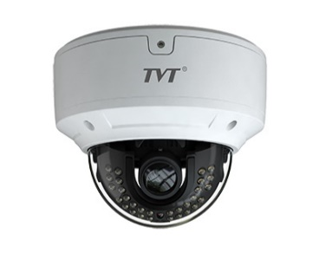 |  |  | 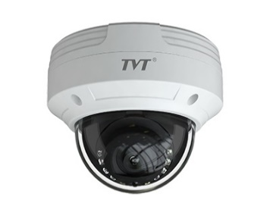
دوربین 2 مگاپیکسل | دوربین 5 مگاپیکسل | دوربین 5 مگاپیکسل | دوربین 5 مگاپیکسل
کیفیت 1080p | تصویر واقعی، وضوح تصویر بالا، رنگ حقیقی | تصویر واقعی، وضوح تصویر بالا، رنگ حقیقی | تصویر واقعی، وضوح تصویر بالا، رنگ حقیقی
تصویر واقعی، وضوح تصویر بالا، رنگ حقیقی | AHD / TVI / CVI /CVBS | AHD / TVI / CVI /CVBS | AHD / TVI / CVI /CVBS
AHD / TVI / CVI /CVBS | لنز ثابت 3.6 میلیمتری | لنز ثابت 3.6 میلیمتری | لنز ثابت 3.6 میلیمتری
لنز متغیر دستی 2.8-12 میلیمتری | اسکن پیشرفته CMOS Progressive | اسکن پیشرفته CMOS Progressive | اسکن پیشرفته CMOS Progressive
اسکن پیشرفته CMOS Progressive | استاندارد IP66 | استاندارد IP66 | استاندارد IP66 و IK10
استاندارد IP66 و IK10 | بدنه کوچک فلزی | بدنه کوچک فلزی | بدنه کوچک فلزی
بدنه بزرگ فلزی | پردازنده SC5235+NVP2477 | پردازنده KSC5235+NVP2477 | پردازنده KSC5235+NVP2477
پردازنده SC2231+FH8537 | پشتیبانی از عملکرد کاهش نویز | پشتیبانی از عملکرد کاهش نویز | پشتیبانی از عملکرد کاهش نویز
پشتیبانی از عملکرد کاهش نویز | دید در شب 10-20 متر | دید در شب 10-20 متر | دید در شب 10-20 متر
دید در شب 20-30 متر
14,800,000ريال | 11,500,000ريال | 9,900,000ريال | 13،900،000 ریال

سری‌های میان رده | سری‌های میان رده | سری‌های میان رده | سری‌های میان رده
TD-7481AE(D/SW/AR1) | TD-7482AE(D/SW/IR2) | TD-7584AE(D/SW/IR1) | TD-7581AE(D/SW/IR1)
 |  |  | 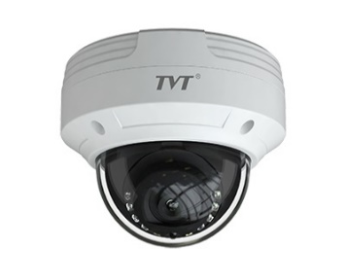
دوربین 8 مگاپیکسل | دوربین 8 مگاپیکسل | دوربین 8 مگاپیکسل | دوربین 8 مگاپیکسل
تصویر واقعی، وضوح تصویر بالا، رنگ حقیقی | تصویر واقعی، وضوح تصویر بالا، رنگ حقیقی | تصویر واقعی، وضوح تصویر بالا، رنگ حقیقی | تصویر واقعی، وضوح تصویر بالا، رنگ حقیقی
AHD / TVI / CVI /CVBS | AHD / TVI / CVI /CVBS | AHD / TVI / CVI /CVBS | AHD / TVI / CVI /CVBS
لنز ثابت 3.6 میلیمتری | لنز ثابت 3.6 میلیمتری | لنز ثابت 3.6 میلیمتری | لنز ثابت 3.6 میلیمتری
اسکن پیشرفته CMOS Progressive | اسکن پیشرفته CMOS Progressive | اسکن پیشرفته CMOS Progressive | اسکن پیشرفته CMOS Progressive
استاندارد IP66 | استاندارد IP66 | استاندارد IP66 | استاندارد IP66 و IK10
بدنه کوچک فلزی | بدنه متوسط فلزی | بدنه کوچک فلزی | بدنه کوچک فلزی
پردازنده IMX274+FH8556 | پردازنده IMX274+FH8556 | پردازنده IMX274+FH8556 | پردازنده IMX274+FH8556
پشتیبانی از عملکرد کاهش نویز | پشتیبانی از عملکرد کاهش نویز | پشتیبانی از عملکرد کاهش نویز | پشتیبانی از عملکرد کاهش نویز
دید در شب 10-20 متر | دید در شب 20-30 متر | دید در شب 10-20 متر | دید در شب 10-20 متر
23,600,000ريال | 26,500,000ريال | 23,000,000ريال | 26,000,000ريال

سری‌های اقتصادی | سری‌های اقتصادی | سری‌های اقتصادی | سری‌های اقتصادی
TD-2004TS-CL | TD-2104TS-CL | TD-2104TS-HP | TD-2008TS-CL
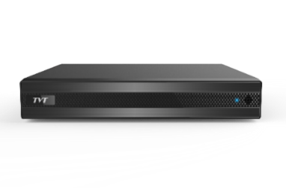
دستگاه 4 کانال TVI / CVI / AHD | دستگاه 4 کانال TVI / CVI / AHD | دستگاه 4 کانال TVI / CVI / AHD | دستگاه 8 کانال TVI / CVI / AHD
قابلیت ضبط تا 1080p lite | دارای خروجی CVBS | قابلیت ضبط تا 4K | قابلیت ضبط تا 1080p lite
فرمت فشرده سازی H.264 | قابلیت ضبط تا 1080p lite | فرمت فشرده سازی H.265 | فرمت فشرده سازی H.264
ضبط چند حالته | فرمت فشرده سازی H.264 | ضبط چند حالته | ضبط چند حالته
بازپخش همزمان 4 کانال | ضبط چند حالته | بازپخش همزمان 4 کانال | بازپخش همزمان 8 کانال
پشتیبانی از 1 هارد دیسک تا ظرفیت 6 ترابایت | بازپخش همزمان 4 کانال | پشتیبانی از 2 کانال دوربین تحت شبکه تا 8MP | پشتیبانی از 1 کانال دوربین تحت شبکه تا 1080p
خروجی HDMI 1080p | پشتیبانی از 1 هارد دیسک تا ظرفیت 6 ترابایت | پشتیبانی از 1 هارد دیسک تا ظرفیت 6 ترابایت | پشتیبانی از 1 هارد دیسک تا ظرفیت 6 ترابایت
 | خروجی HDMI 1080p | خروجی HDMI 4K | خروجی HDMI 1080p
11،200،000 ریال | 12،000،000 ریال | 31،000،000 ریال | 14،500،000 ریال
...
دستگاه 8 کانال TVI / CVI / AHD | دستگاه 8 کانال TVI / CVI / AHD | دستگاه 16 کانال TVI / CVI / AHD | دستگاه 16 کانال TVI / CVI / AHD
بازپخش همزمان 8 کانال | پشتیبانی تا 16 کانال دوربین تحت شبکه تا 8MP | بازپخش همزمان 16 کانال | پشتیبانی از 8 کانال دوربین تحت شبکه تا 5MP
پشتیبانی از 1 کانال دوربین تحت شبکه تا 1080P | پشتیبانی از 1 هارد دیسک تا ظرفیت 8 ترابایت | پشتیبانی از 2 کانال دوربین تحت شبکه تا 3MP | پشتیبانی از 1 هارد دیسک تا ظرفیت 8 ترابایت
پشتیبانی از 1 هارد دیسک تا ظرفیت 6 ترابایت | خروجی HDMI 4K | پشتیبانی از 1 هارد دیسک تا ظرفیت 6 ترابایت | خروجی HDMI 1080p
خروجی HDMI 1080p |  | خروجی HDMI 1080p
16،000،000 ریال | 51،000،000 ریال | 22,000,000ريال | 37،000،000 ریال

سری‌های میان رده | سری‌های میان رده | سری‌های میان رده
TD-2116TE-HP | TD-2708TE-HK | TD-2732TC-HC
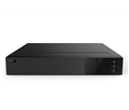 | 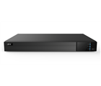
دستگاه 16 کانال TVI / CVI / AHD | دستگاه 8 کانال TVI / CVI / AHD | دستگاه 32 کانال TVI / CVI / AHD
قابلیت ضبط تا 4K | قابلیت ضبط تا 8MP | قابلیت ضبط تا 5MP Lite
فرمت فشرده سازی H.265 | فرمت فشرده سازی H.265 | ضبط چند حالته
ضبط چند حالته | ضبط چند حالته | بازپخش همزمان 32 کانال
بازپخش همزمان 16 کانال | بازپخش همزمان 8 کانال | پشتیبانی از 24 کانال دوربین تحت شبکه تا 5MP
پشتیبانی از 8 کانال دوربین تحت شبکه تا 8MP | پشتیبانی از 8 کانال دوربین تحت شبکه تا 8MP | فرمت فشرده سازی H.265
پشتیبانی از 2 هارد دیسک تا ظرفیت 8 ترابایت | پشتیبانی از 2 هارد دیسک تا ظرفیت 8 ترابایت | پشتیبانی از 4 هارد دیسک تا ظرفیت 8 ترابایت
خروجی HDMI 4K | خروجی HDMI 4K | خروجی HDMI 1080p
71,000,000ريال | 81,000,000ريال | 120,000,000ريال

Hilook-IP (dorsa)
...
 | Hilook-NVR
21 | IPC-B640H-V | 4MP- 1/3" Progressive CMOS, ICR, 2560x1440:20fps(P)/(N), H.265+/H265/H.264+&H.264, 3D DNR, BLC,up to 30m IR- DC12V & PoE, TF card slot, WDR-Support mobile monitoring via Hik-Connect *power supply no included-2.8~12mm vari-focal lens-Body&Bracket: Metal-SunShield: Plastic--IP67 | IRR 42,300,000
22 | IPC-B640H-Z | 4MP- 1/3" Progressive CMOS, ICR, 2560x1440:20fps(P)/(N), H.265+/H265/H.264+&H.264, 3D DNR, BLC,up to 30m IR- DC12V & PoE, TF card slot,-WDR- Support mobile monitoring via Hik-Connect *power supply no included-2.8~12mm motorized vari-focal lens-Body&Bracket: Metal-SunShield: Plastic-IP67 | IRR 48,200,000
23 | IPC-T620-Z | 2MP-1/2.8" Progressive CMOS, ICR, 1920x1080:25fps(P)/30fps(N), H.264+&H.264, 3D DNR, BLC,-WDR- up to 30m IR-DC12V & PoE,Support mobile monitoring via Hik-Connect *power supply no included2.8~12mm VF lens-Eyeball: MetalCover: Plastic-IP67
24 | IPC-D620H-V | 2MP-1/2.8" Progressive CMOS, ICR, 1920x1080:25fps(P)/30fps(N), H.265+/H265/H.264+&H.264,DWDR- 3D DNR, BLC,2.8~12mm varifocal lens - DC12V & PoE, TF card slot,-up to 30m IR-- Support mobile monitoring via Hik-Connect *power supply no included -Full Metal-IP67, IK10 | IRR 25,500,000
25 | IPC-D620H-Z | 1/2.8" progressive scan CMOS-2 MP-1920 × 1080@30fps- 2.8 mm to 12 mm manual/motorized (with -Z) vari-focal lens- H.265+, H.265, H.264+, H.264-Dual stream- DWDR -3D DNR (Digital Noise Reduction)-Up to 30 m IR range-PoE (Power over Ethernet)- IP67, IK10 | IRR 35,200,000
26 | IPC-D640H-V | 4MP-1/3" Progressive CMOS, ICR, 2560x1440:20fps(P)/(N), H.265+/H265/H.264+&H.264,WDR, 3D DNR, BLC,up to 30m IR- DC12V & PoE, TF card slot- --2.8~12mm vari-focal lens- Support mobile monitoring via Hik-Connect *power supply no included - Full Metal-IP67, IK10 | IRR 31,600,000
27 | IPC-D640H-Z | 4MP-1/3" Progressive CMOS, ICR, 2560x1440:20fps(P)/(N), H.265+/H265/H.264+&H.264,WDR, 3D DNR, BLC,up to 30m IR- DC12V & PoE, TF card slot- --2.8~12mm vari-focal lens- Support mobile monitoring via Hik-Connect *power supply no included - Full Metal-IP67, IK10 | IRR 39,500,000
28 | PanoVu Mini Series IR Network PTZ Camera
29 | PTZ-P332ZI-DE3 | System Functions l 3-ch panoramic images in different directions and 1-ch close-up image l PTZ linkagel Up to 10 m IR radius Panoramic Cameral Three 1/2.8" progressive scan CMOSl 3-ch 1920 × 1080@30fps resolutionl Horizontal FOV: 128.5° × 3 PTZ Cameral 1/2.8" progressive scan CMOSl Up to 1920 × 1080@30fps resolutionl 4× optical zoom, 8× digital zoom | IRR 159,000,000
30 | IP PTZ Camera
31 | PTZ-N4215-DE3 | 1/2.8" progressive scan CMOS Up to 1920 × 1080 resolutionMin. illuminat Color: 0.005 Lux @(F1.6, AGC ON) B/W: 0.001 Lux @(F1.6, AGC ON) 0 Lux with IR 15× optical zoom, 16× digital zoom 120dB WDR, 3D DNR, HLC, BLC 12 VDC & PoE+ (802.3at, class4) Support H.265+/H.265 video compression Up to 24 programmable privacy masks Support ROI | IRR 91,500,000 | 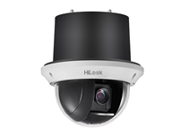
32 | PTZ-N4215I-DE | 1/2.8" progressive scan CMOSUp to 1920 × 1080 resolution Min. illumination: Color: 0.005 Lux @(F1.6, AGC ON) B/W: 0.001 Lux @(F1.6, AGC ON) 0 Lux with IR Up to 100 m IR distance15× optical zoom, 16× digital zoom 120dB WDR, 3D DNR, HLC, BLC, Smart IR12 VDC & PoE+ (802.3at, class4) Support H.265+/H.265 video compressionUp to 24 programmable privacy masks Support ROI | IRR 116,000,000
33 | PTZ-N4225I-DE | 1/2.8" progressive scan CMOSUp to 1920 × 1080 resolution Min. illumination: Color: 0.005 Lux @(F1.6, AGC ON) B/W: 0.001 Lux @(F1.6, AGC ON) 0 Lux with IRUp to 100 m IR distance 25× optical zoom, 16× digital zoom120dB WDR, 3D DNR, HLC, BLC, Smart IR 12 VDC & PoE+ (802.3at, class4)Support H.265+/H.265 video compression Up to 24 programmable privacy masksSupport ROI | IRR 127,000,000 | 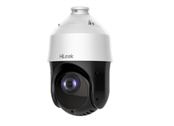
34 | PTZ-N2404I-DE3 | Two-inch 4 MP camera with pan, tilt and zoom (4x) ability Efficient H.265+ compression technology to save bandwidth and storage Clear imaging against strong back light due to 120 dB true WDR technology Great night-time performance with up to 20 m enhanced IR Water and dust resistant (IP66), and vandal proof (IK10) | IRR 50,750,000 | 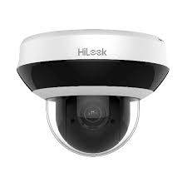
35 | Network Video Recorder
36 | NVR-104-B | Full channel recording at up to 4 MP resolution-40Mbps Bit Rate Input Max (up to 4-ch IP video),Output Bandwidth 40Mbps- H.264, 1 SATA interface 6TB, mini 1U case(Plastic)-HDMI Output 1, up to 1080P-Decoding Capability- 2-ch@ 4MP-4-ch@1080p | IRR 13,600,000
37 | NVR-108-B | Full channel recording at up to 4 MP resolution-60Mbps Bit Rate Input -Max (up to 8-ch IP video),,Output Bandwidth 40Mbps- H.264, 1 SATA interface 6TB, mini 1U case(Plastic)-HDMI Output 1, up to 1080P-Decoding Capability-2-ch@4 MP, 4-ch@1080p | IRR 16,800,000
38 | NVR-108-B/8p | 4-ch Mini 1U 4 PoE 4K NVR,Up to 8 channel IP cameras can be connected Plug & Play with 8 Power-over-Ethernet (PoE) interfaces Supports decoding H.264+/H.264 multiple video formats Up to 4-ch @ 1080p decoding capacity 1 HDD for continuous video recording
 | NVR-104H-D | 4-ch Mini 1U 4 PoE NVR H.265+/H.265/H.264+/H.264 video compression Up to 40 Mbps incoming bandwidth, and 60 Mbps outgoing bandwidth Up to 4-ch network camera inputs,Up to 4-ch 1080p decoding capability HDMI and VGA simultaneous output | IRR 14,700,000
 | NVR-108H-D | 4-ch Mini 1U NVR H.265+/H.265/H.264+/H.264 video compression Up to 60 Mbps incoming bandwidth, and 60 Mbps outgoing bandwidth Up to 8-ch network camera inputs,Up to 4-ch 1080p decoding capability HDMI and VGA simultaneous output | IRR 18,500,000
39 | NVR-104MH-C | Recording at up to 8 MP resolution40Mbps Bit Rate -Input Max (up to 4-ch IP video UP to 8MP), Output Bandwidth 80Mbps- H.265-, 1 SATA (6TB)interface, standalone 1U 315 case(Metal)-HDMI Output 1CH 4K, --Decoding Capability 1-ch @ 8 MP / 4-ch @ 1080p | IRR 22,500,000
40 | NVR-104MH-D | Up to 4 channel IP cameras can be connected Supports decoding H.265+/H.265/H.264+/H.264 multiple video formats Up to 4-ch @ 1080p decoding capacity 1 HDD for continuous video recording. | IRR 16,800,000
41 | NVR-104MH-D/4P | Up to 4 channel IP cameras can be connected Plug & Play with 4 Power-over-Ethernet (PoE) interfaces Supports decoding H.265+/H.265/H.264+/H.264 multiple video formats Up to 4-ch @ 1080p decoding capacity 1 HDD for continuous video recording
42 | NVR-104MH-C/4P | Recording at up to 8 MP resolution-40Mbps Bit Rate Input- Max (up to 4-ch IP video UP to 8 MP) ,Output Bandwidth 80Mbps- H.265-, 1SATA(6TB) interface, 4 independent PoE network interfaces, 1U 315 case(Metal)-HDMI Output 1ch 4k-Decoding Capability 1-ch @ 8 MP 4-ch @ 1080P | IRR 30,500,000
...

Hilook-Turbo HD (doras)
...
 | Hilook-DVR
21 | THC-T220-P | 2 MP high-performance CMOS-1920 × 1080 resolution-2.8 mm,fixed focal lens-Day/Night switch-EXIR 2.0, smart IR, up to 40 m IR distance-4 in 1 video output (switchable TVI/AHD/CVI/CVBS)- IP66-DWDR-BLC | IRR 6,750,000
22 | THC-T220-PC | 2 MP Fixed Turret Camera Smart IR, up to 40 m IR distance Water resistant (IP66) 4 in 1 (4 signals switchable TVI/AHD/CVI/CVBS)
23 | THC-T220-MC | HiLook 2MP EXIR Turret Cam with Fixed Lens 1080p turret camera Smart IR, up to 40 m IR distanceWater resistant (IP66) 4 in 1 (4 signals switchable TVI/AHD/CVI/CVBS) | IRR 8,950,000
24 | THC-T220-MS | 2 MP Audio Fixed Turret Camera Smart IR, up to 40 m IR distanceWater resistant (IP66) 4 in 1 (4 signals switchable TVI/AHD/CVI/CVBS) With built-in microphone, enhancing your safety with video and audio together
25 | THC-T220-M | 2 MP high-performance CMOS-1920 × 1080 resolution-2.8 mm,fixed focal lens-Day/Night switch-EXIR 2.0, smart IR, up to 40 m IR distance-4 in 1 video output (switchable TVI/AHD/CVI/CVBS)- IP66-DWDR-BLC-METAL
26 | THC-T240-P | 4 MP high-performance CMOS-2560 × 1440 resolution-2.8 mm fixed focal lens- Day/Night switch- EXIR 2.0, smart IR, up to 40 m IR distance-4 in 1 video output (switchable TVI/AHD/CVI/CVBS)- DWDR-BLC-IP66 | IRR 7,800,000
27 | THC-T240-M | 4 MP high-performance CMOS-2560 × 1440 resolution-2.8 mm fixed focal lens- Day/Night switch- EXIR 2.0, smart IR, up to 40 m IR distance-4 in 1 video output (switchable TVI/AHD/CVI/CVBS)- DWDR-BLC-IP66-METAL | IRR 9,900,000
28 | Vari-Focal Series
29 | THC-B320-VF | 2MP CMOS Sensor, 40m IR, Outdoor EXIR Bullet, ICR, 0.01 Lux/F1.2, 12 VDC, Smart IR,,DWDR- DNR, OSD Menu, IP66, 2.8-12mm Vari Focal Lens, Support HD-TVI/AHD/CVI/CVBS video output-Front cover: Metal-Main body: Plastic-Bracket: Metal | IRR 16,500,000
30 | THC-B340-VF | 4MP CMOS Sensor - 2.8-12mm Vari Focal Lens, EXIR Bullet, 40m IR, ICR, 0.01 Lux/F1.2, 12 VDC, Smart IR, DNR,DWDR, OSD Menu, IP66, Support HD-TVI/AHD/CVI/CVBS video output-Front cover: Metal-Main body: Plastic-Bracket: Metal | IRR 19,900,000
31 | THC-D320-VF | 2MP CMOS Sensor, 40m IR, EXIR Dome, ICR, 0.01 Lux/F1.2, 12 VDC, Smart IR, DNR, DWDR-OSD Menu, IP66, 2.8-12mm Vari Focal Lens--support HD-TVI/AHD/CVI/CVBS video output-,IK10-Full Metal | IRR 11,300,000 | 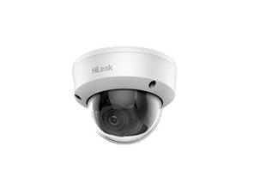
32 | THC-D340-VF | 4MP CMOS Sensor, EXIR Dome, 40m IR, ICR, 0.01 Lux/F1.2, 12 VDC, Smart IR, DNR,DWDR- OSD Menu, IP66, 2.8-12mm Vari Focal Lens,IK10，Support HD-TVI/AHD/CVI/CVBS video output-Full Metal | IRR 13,900,000
33 | THC-T320 VF | 2MP CMOS Sensor, 40m IR, EXIR Eyeball, ICR, 0.01 Lux/F1.2, 12 VDC, Smart IR, DNR, DWDR-OSD Menu, IP66, 2.8-12mm Vari Focal Lens，Support HD-TVI/AHD/CVI/CVBS video output-Cover&Base:Plastic- Eyeball: Metal | IRR 10,500,000
34 | THC-T340-VF | 4MP CMOS Sensor, EXIR Eyeball, 40m IR, ICR, 0.01 Lux/F1.2, 12 VDC, Smart IR, DNR,DWDR- OSD Menu, IP66, 2.8-12mm Vari Focal Lens，Support HD-TVI/AHD/CVI/CVBS video output-Cover&Base:Plastic-Eyeball: Metal | IRR 12,400,000
35 | Turbo HD PTZ Camera
36 | PTZ-T4225I-D | 1/2.8" HD progressive scan CMOS 1920 × 1080 resolution  25× optical zoom, 16× digital zoom 120 dB true WDR (Wide Dynamic Range)  Up to 100 m IR distance 3D intelligent positioning SwitchableTVI/AHD/CVI/CVBS video outputs | IRR 71,040,000
37 | PTZ-T4215I-D | 1/2.8" HD progressive scan CMOS  1920 × 1080 resolution 15× optical zoom, 16× digital zoom  120 dB true WDR (Wide Dynamic Range) Up to 100 m IR distance  3D intelligent positioning  Switchable TVI/AHD/CVI/CVBS video outputs | ناموجود
38 | PTZ-T5225I-A | 1/2.8" HD progressive scan CMOS1920 × 1080 resolution 25× optical zoom DWDR (Digital Wide Dynamic Range) Up to 150 m IR distance3D intelligent positioning Switchable turbo HD and CVBS outputs | ناموجود
39 | DVR 4 Channel
40 | DVR-104G-F1 | 4-ch 1080p Mini 1U Lite H.264 DVR,5 signals input adaptively (HDTVI/AHD/CVI/CVBS/IP),Long distance transmission over UTP and coaxial cable,H.265 Pro+ compression to improve encoding efficiency and reduce data storage costsSupports 1080p lite,Encoding abilty up to 1080p lite @ 12 fps,One HDD for continuous video recording,Smart search for efficient playback. | IRR 12,100,000
41 | DVR-204G-F1 | Recording Capability HD1080p Lite 4-ch -HD-TVI/AHD/CVI/CVBS video & 1-ch audio input,- 1-ch Up to 960P resolution), 1 SATA (6TB)interface, HD1080p Lite @ 25 fps/ch, 260 1U case--HDMI output HD1080p-Metal | IRR 14,800,000
...

